Bought Parts
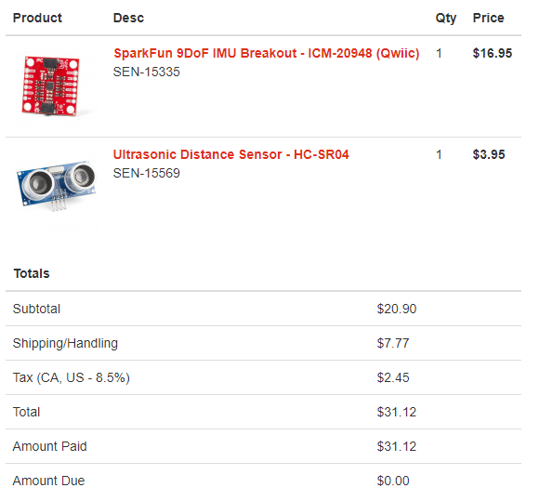
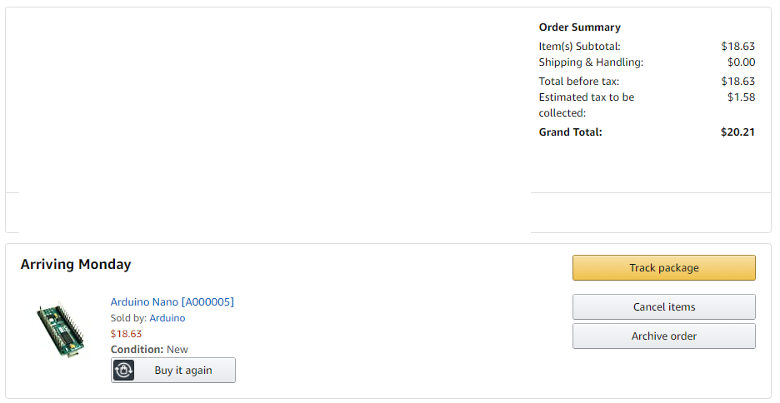
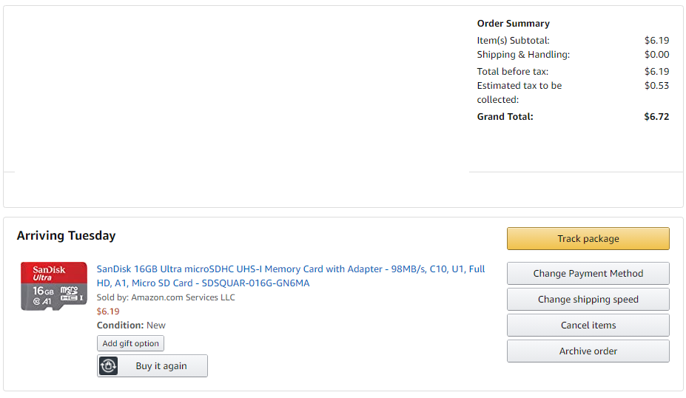
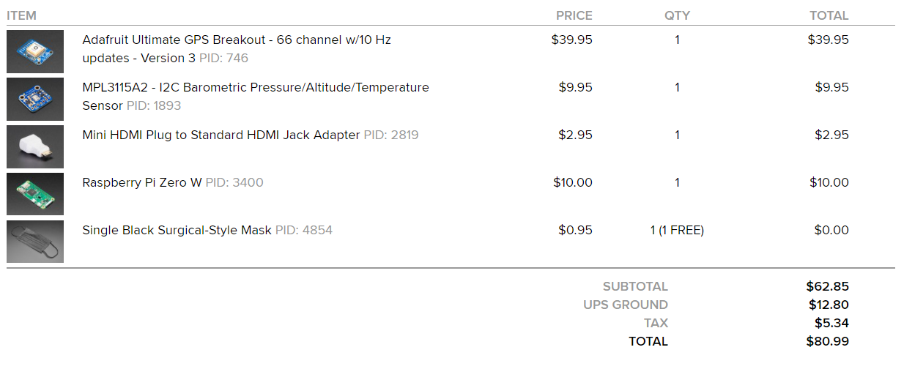
Tech | Cost | Link | Progress
Raspberry Pi Zero W | $10 | https://www.adafruit.com/product/3400 | Bought
Arduino Nano | $18.63 | https://www.amazon.com/dp/B0097AU5OU/ | Bought
Ultrasonic Sensor | $3.95 | https://www.sparkfun.com/products/15569 | Bought
IMU Sensor | $16.95 | https://www.sparkfun.com/products/15335 | Bought
GPS Sensor | $39.95 | https://www.adafruit.com/product/746 | Bought
Pressure Sensor | $9.95 | https://www.adafruit.com/product/1893 | Bought
16GB Ultra MicroSD Card | $6.19 | https://www.amazon.com/dp/B073K14CVB/ | Bought
Mini HDMI to HDMI Adapter | $2.95 | https://www.adafruit.com/product/2819 | Bought
Camera | $24.50 | https://www.amazon.com/dp/B01ER2SKFS/
Camera Adapter | $5.95 | https://www.adafruit.com/product/3157

